Sheet1
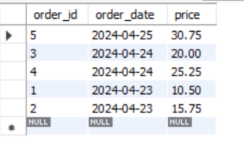
Assignment - 1 | Display all the product name in uppercase.

Query | Products Table

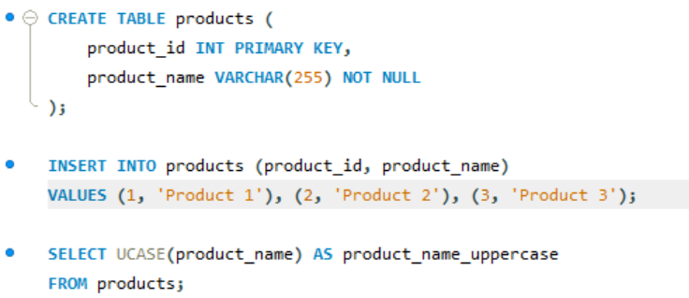

Output

Assignment - 2 | Display last 3 characters from product name

Query

Outout

Assignment - 3 | Display all the customers postal code. Postal code should be minimum 9 character. In case there are less then 9 character in database add "0" at beginning.

Query | Customers Table

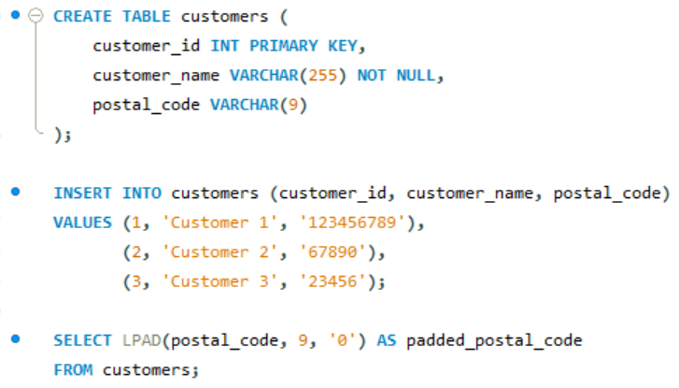

Output

Assignment - 4 | Display unitprice from products. Remove decimal from the unit price.

Query | Products Table

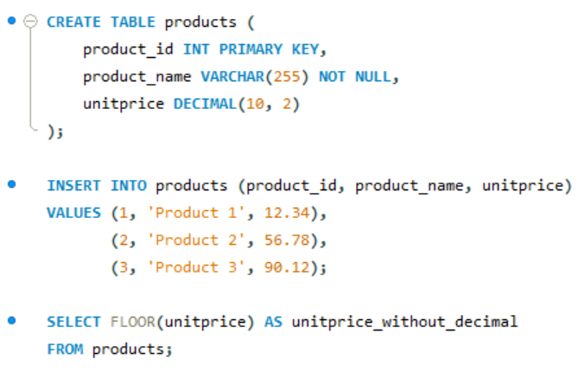

Output

Assignment - 5 | Get final order price per order. Price should be floored from the output.

Query | Orders Table
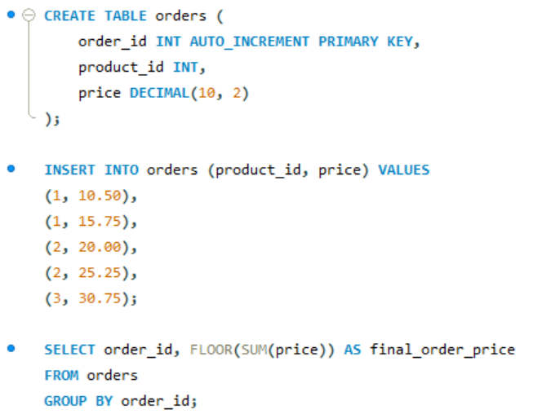

Output

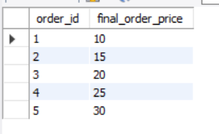

Assignment - 6 | Get final order price per order. Price should be ceiled from the output.

Query

Output

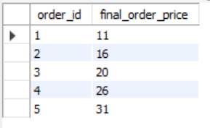

Assignment - 7 | Display order date in yyyy/MM/dd format.

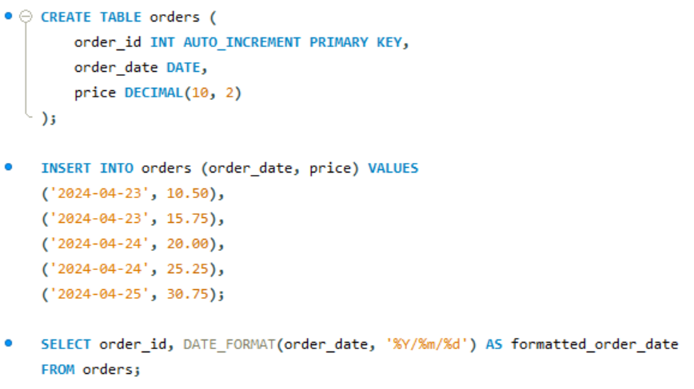

Output

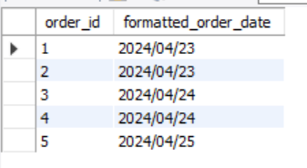

Assignment - 8 | Display 5 latest orders from order.

Query

Output

